Summary
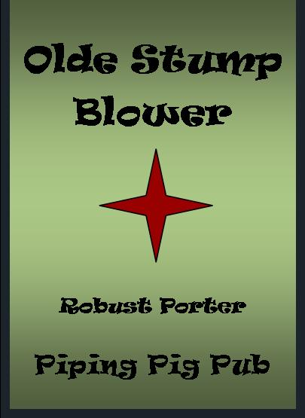
Piping Pig Pub Beer Calculator
J. W. Kent

Beer Name: |  | Olde Stump Blower

Style: |  | Robust Porter
BJCP category: |  | 16E

SUMMARY

(Original Gravity) |  | O.G. = | 1.063
(Final Gravity) |  | F.G. = | 1.016
(Bitterness) |  | IBU = | 35
(Color) |  | SRM = | 36 |  | 36
(Alcohol) |  | APV = | 6.1 | %
Calories per 12-oz bottle = |  |  | 205

BREWING NOTES:

First Wort Hopping is represented as a 20-min. addition

 |  |  |  |  | RECIPE SUMMARY
 |  | 5.5 | Gallon batch
 |  |  |  |  |  |  | Yeast: | S-04
Grain: |  |  |  | Sugars: |  | Hops:
Pounds: | Type: |  |  | Pounds: | Type: | Variety: |  | Oz.: | Boil Time:

9 | Pale Malt (2-Row) |  |  |  |  | Northern brewer FWH |  | 1.5 | 20

2 | Munich Malt |  |  |  |  | Northern brewer |  | 0.5 | 5

0.625 | Crystal Malt 90

1 | Chocolate Malt

0.25 | Black Patent Malt

0.0625 | Peated Malt

LEGEND:

Data entry Fields

Intermediate calculations

Constant

Results

IBU
 |  |  |  |  |  |  | BEER NAME: |  | Olde Stump Blower |  |  | Robust Porter
 |  |  | IBU CALCULATIONS:

 |  |  | BOIL GRAVITY = | 1.0507665952 | BATCH SIZE = | 5.5

P/W | HOP VARIETY |  | AA% | Oz. | BOIL TIME | AAU |  | Utilization |  |  |  | IBU
 |  |  |  |  |  |  |  | fg |  | ft |  | Pellet | Whole
P | Northern brewer FWH |  | 9 | 1.5 | 20 | 13.5 |  | 1.0455320612 |  | 0.13269181588 |  | 31.924481161 | 25.539584929

P | Northern brewer |  | 9 | 0.5 | 5 | 4.5 |  | 1.0455320612 |  | 0.043679336608 |  | 3.5029544449 | 2.8023635559

P |  |  |  |  |  | 0 |  | 1.0455320612 |  | 0 |  | 0 | 0

P |  |  |  |  |  | 0 |  | 1.0455320612 |  | 0 |  | 0 | 0

 |  |  |  |  |  | 0 |  | 1.0455320612 |  | 0 |  | 0 | 0

 |  |  |  |  |  | 0 |  | 1.0455320612 |  | 0 |  | 0 | 0

 |  |  |  |  |  | 0 |  | 1.0455320612 |  | 0 |  | 0 | 0

 |  |  |  |  |  | 0 |  | 1.0455320612 |  | 0 |  | 0 | 0

 |  |  |  |  |  | 0 |  | 1.0455320612 |  | 0 |  | 0 | 0

 |  |  |  |  |  |  |  | Totals = |  | 35.4 | (P) | 0.0 | (W)
 |  | NOTE:
 |  | Calculations per Tinseth. |  |  |  |  |  | TOTAL IBU = |  | 35.4
 |  | place "P" for Pellet Hops and "W" for whole hops in column A.

 |  | Boil time is in minutes.

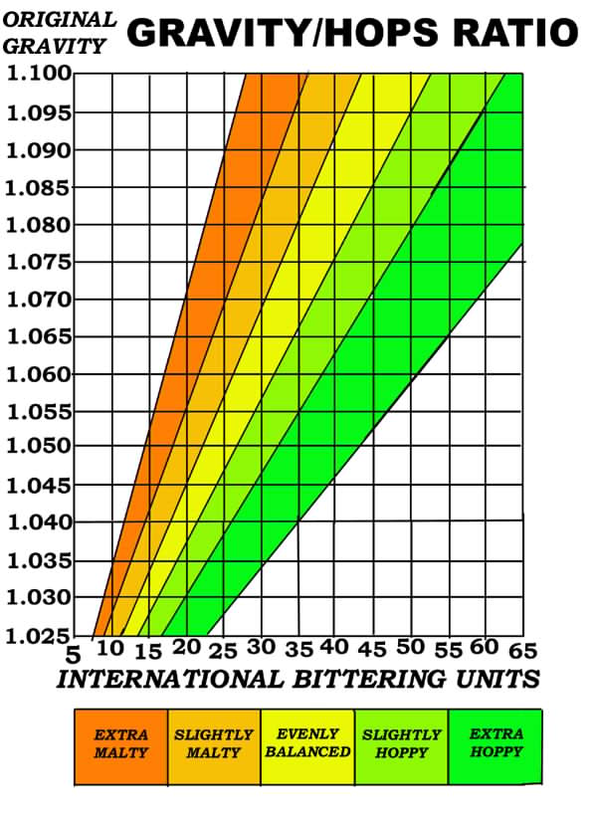

SRM
COLOR ESTIMATE CALCULATIONS |  |  | BEER NAME: |  | Olde Stump Blower |  | STYLE: | Robust Porter

BATCH SIZE = | 5.5

GRAIN TYPE | L of grain | POUNDS |  | MCU

Pale Malt (2-Row) | 1.8 | 9 |  | 2.9454545455

Munich Malt | 7 | 2 |  | 2.5454545455

Crystal Malt 90 | 90 | 0.625 |  | 10.227272727

Chocolate Malt | 350 | 1 |  | 63.636363636

Black Patent Malt | 500 | 0.25 |  | 22.727272727

Peated Malt | 2.8 | 0.0625 |  | 0.031818181818

0 |  | 0 |  | 0

0 |  | 0 |  | 0

0 |  | 0 |  | 0

0 | 40 | 0 |  | 0

0 |  | 0 |  | 0

0 |  | 0 |  | 0

 |  |  | TOTAL MCU = |  | 102.1 | If less than 8, use for SRM

 |  |  |  |  | SRM = | Mid-range = | 47 |  | MCU*0.46

 |  |  |  |  |  | or = | 29 |  | (MCU*0.2)1.4922

 |  |  |  |  |  | best guess = | 36 | Morey equation (MCU^0.6859)1.4922

